Nguyen Gia Tung

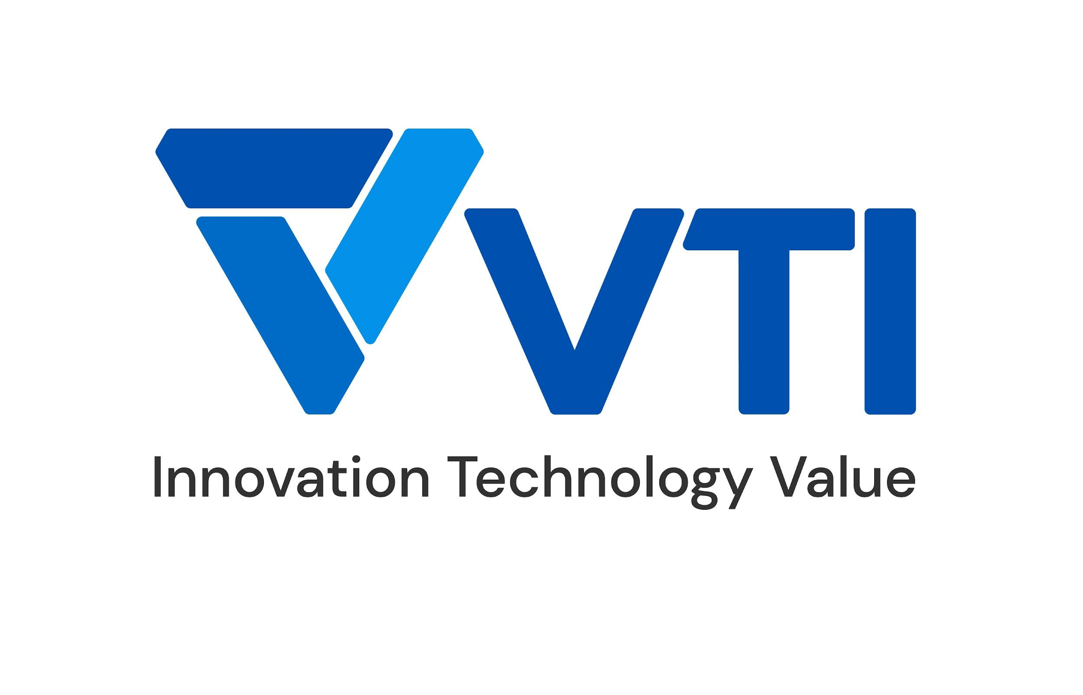 | CURRICULUM VITAE
PERSONAL DETAIL
Name | Nguyen Gia Tung
Nationality | Viet Nam
DOB | 29/09/1994
Sex | Male
Seniority | 4 years

ABOUT
- 4 years of experience at Cloud Pre-Sales - 4 years of experience at AWS Solution Architect - 1 years as a Project Manager - Deep understanding in AWS services, and AWS Pricing Strategy.

EDUCATIONAL BACKGROUND
2012-2017 |  | Hanoi University of Science and Technology (HUST)

CERTIFICATION
03/2023 - 03/2026 |  | AWS Certified Security - Specialty
05/2022 - 05/2025 |  | AWS Certified Solution Architect - Professional

LANGUAGE
Vietnamese |  | Native
English |  | Around 700 Toeic

TECHNICAL SKILL
 |  | Skill | Level
 |  |  | High | Medium | Low
Program language |  | Bash Script | FALSE | TRUE | FALSE
Monitoring tool |  | Grafana | TRUE | FALSE | FALSE
 |  | Prometheus | TRUE | FALSE | FALSE
Automation/Orchestration tool |  | AWS CloudFormation | FALSE | TRUE | FALSE
OS |  | Windows | FALSE | TRUE | FALSE
 |  | Linux | TRUE | FALSE | FALSE
Public Cloud |  | AWS | TRUE | FALSE | FALSE
 |  | Azure | FALSE | TRUE | FALSE

EXPERIENCE
HVN AWS Support (2022 - now)
Customer |  | Global Customer (Vietnam, Japan, Thailand, India)
Description |  | Manage and maitain ~ 10 private and public applications of HVN Security Suggestion and Cost Optimization
Team Size |  | 3
My Position |  | AWS Consultant, AWS Solution Architect
My Responsibilites |  | - Maintain & monitor HVN's AWS systems - Manage & lead communication between 3 steckholders (Headquarters, HVN and Vendors who developed HVN's systems) - Research, study continuously to apply technology, configuration, upgrade AWS services version to improve HVN's systems
Technologies Used |  | AWS

VTI - AWS Advanced Consulting Partner (2019 - now)
Customer |  | Vietnamese
Description |  | Control Security, giving Cost and Architecture advises for more than 50 corporations, including VTI's internal
Team Size |  | 1
My Position |  | AWS Partner Alliance Lead
My Responsibilites |  | - Create VTI security standards on AWS Organization. - Leverage Security Hub and other AWS services to comply with company's security standards. - Leverage AWS pricing strategy on Amazon EC2, EBS, S3, RDS... to save more than 100,000$ per year for customers
Technologies Used |  | AWS

I declare that the above information is accurate.

